Planilha1
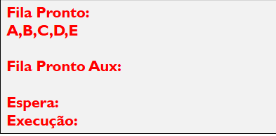
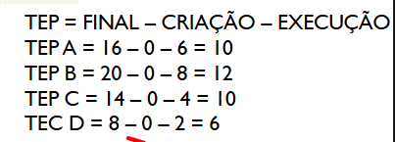
1 | FIFO TABELA 1
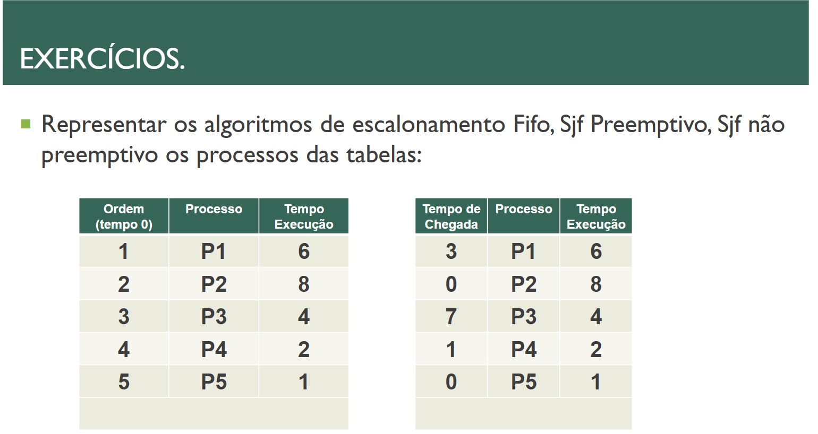
 |  |  |  |  |  |  |  |  |  |  |  |  |  |  |  |  |  |  |  |  |  |  |  |  |  |  | Turnaround: |  | P1 = 6, P2 = 14, P3 = 18, P4 = 20 e P5 = 21
P1
P2 |  |  |  |  |  |  |  |  |  |  |  |  |  |  |  |  |  |  |  |  |  |  |  |  |  |  | TMR: | (6+14+18+20+21)/5 = 15,8
P3
P4 |  |  |  |  |  |  |  |  |  |  |  |  |  |  |  |  |  |  |  |  |  |  |  |  |  |  | TEP: | P1 = 0, P2 = 5, P3 = 14, P4 = 18 e P5 = 20
P5
 | 0 | 1 | 2 | 3 | 4 | 5 | 6 | 7 | 8 | 9 | 10 | 11 | 12 | 13 | 14 | 15 | 16 | 17 | 18 | 19 | 20 | 21 | 22 | 23 | 24 | 25 | TME: | (0+5+14+18+20)/5 = 11,4

2 | FIFO TABELA 2

 |  |  |  |  |  |  |  |  |  |  |  |  |  |  |  |  |  |  |  |  |  |  |  |  |  |  | Turnaround: |  | P1 = 14, P2 = 8, P3 = 14, P4 = 10 e P5 = 9
P1
P2 |  |  |  |  |  |  |  |  |  |  |  |  |  |  |  |  |  |  |  |  |  |  |  |  |  |  | TMR: | (14+8+14+10+9)/5 = 11
P3
P4 |  |  |  |  |  |  |  |  |  |  |  |  |  |  |  |  |  |  |  |  |  |  |  |  |  |  | TEP: | P1 = 8, P2 = 0, P3 = 10, P4 = 8 e P5 = 8
P5
 | 0 | 1 | 2 | 3 | 4 | 5 | 6 | 7 | 8 | 9 | 10 | 11 | 12 | 13 | 14 | 15 | 16 | 17 | 18 | 19 | 20 | 21 | 22 | 23 | 24 | 25 | TME: | (8+0+10+8+8)/5 = 6,8

3 | SJF PREEMPTIVO TABELA 1

 |  |  |  |  |  |  |  |  |  |  |  |  |  |  |  |  |  |  |  |  |  |  |  |  |  |  | Turnaround: |  | P1 = 13, P2 = 21, P3 = 7, P4 = 3 e P5 = 1
P1
P2 |  |  |  |  |  |  |  |  |  |  |  |  |  |  |  |  |  |  |  |  |  |  |  |  |  |  | TMR: | (13+21+7+3+1)/5 = 9
P3
P4 |  |  |  |  |  |  |  |  |  |  |  |  |  |  |  |  |  |  |  |  |  |  |  |  |  |  | TEP: | P1 = 7, P2 = 13, P3 = 3, P4 = 1 e P5 = 0
P5
 | 0 | 1 | 2 | 3 | 4 | 5 | 6 | 7 | 8 | 9 | 10 | 11 | 12 | 13 | 14 | 15 | 16 | 17 | 18 | 19 | 20 | 21 | 22 | 23 | 24 | 25 | TME: | (7+13+3+1+0)/5 = 4,8

4 | SJF PREEMPTIVO TABELA 2

 |  |  |  |  |  |  |  |  |  |  |  |  |  |  |  |  |  |  |  |  |  |  |  |  |  |  | Turnaround: |  | P1 = 6, P2 = 21, P3 = 6, P4 = 2 e P5 = 1
P1
P2 |  |  |  |  |  |  |  |  |  |  |  |  |  |  |  |  |  |  |  |  |  |  |  |  |  |  | TMR: | (6+21+6+2+1)/5 = 7,2
P3
P4 |  |  |  |  |  |  |  |  |  |  |  |  |  |  |  |  |  |  |  |  |  |  |  |  |  |  | TEP: | P1 = 0, P2 = 13, P3 = 2, P4 = 0, P5 = 0
P5
 | 0 | 1 | 2 | 3 | 4 | 5 | 6 | 7 | 8 | 9 | 10 | 11 | 12 | 13 | 14 | 15 | 16 | 17 | 18 | 19 | 20 | 21 | 22 | 23 | 24 | 25 | TME: | (0+13+2+0+0)/5 = 3

5 | SJF NÃO PREEMPTIVO TABELA 1

 |  |  |  |  |  |  |  |  |  |  |  |  |  |  |  |  |  |  |  |  |  |  |  |  |  |  | Turnaround: |  | P1 = 13, P2 = 21, P3 = 7, P4 = 3 e P5 = 1
P1
P2 |  |  |  |  |  |  |  |  |  |  |  |  |  |  |  |  |  |  |  |  |  |  |  |  |  |  | TMR: | (13+21+7+3+1)/5 = 9
P3
P4 |  |  |  |  |  |  |  |  |  |  |  |  |  |  |  |  |  |  |  |  |  |  |  |  |  |  | TEP: | P1 = 7, P2 = 13, P3 = 3, P4 = 1 e P5 = 0
P5
 | 0 | 1 | 2 | 3 | 4 | 5 | 6 | 7 | 8 | 9 | 10 | 11 | 12 | 13 | 14 | 15 | 16 | 17 | 18 | 19 | 20 | 21 | 22 | 23 | 24 | 25 | TME: | (7+13+3+1+0)/5 = 4,8

6 | SJF NÃO PREEMPTIVO TABELA 2

 |  |  |  |  |  |  |  |  |  |  |  |  |  |  |  |  |  |  |  |  |  |  |  |  |  |  | Turnaround: |  | P1 = 6, P2 = 21, P3 = 6, P4 = 2 e P5 = 1
P1
P2 |  |  |  |  |  |  |  |  |  |  |  |  |  |  |  |  |  |  |  |  |  |  |  |  |  |  | TMR: | (6+21+6+2+1)/5 = 7,2
P3
P4 |  |  |  |  |  |  |  |  |  |  |  |  |  |  |  |  |  |  |  |  |  |  |  |  |  |  | TEP: | P1 = 0, P2 = 13, P3 = 2, P4 = 0, P5 = 0
P5
 | 0 | 1 | 2 | 3 | 4 | 5 | 6 | 7 | 8 | 9 | 10 | 11 | 12 | 13 | 14 | 15 | 16 | 17 | 18 | 19 | 20 | 21 | 22 | 23 | 24 | 25 | TME: | (0+13+2+0+0)/5 = 3

7 | ROUND ROBIN TABELA 1

 |  |  |  |  |  |  |  |  |  |  |  |  |  |  |  |  |  |  |  |  |  |  |  |  |  |  | Turnaround: |  | P1 = 17, P2 = 21, P3 = 15, P4 = 8 e P5 = 9
P1
P2 |  |  |  |  |  |  |  |  |  |  |  |  |  |  |  |  |  |  |  |  |  |  |  |  |  |  | TMR: | (17+21+15+8+9)/5 = 14
P3
P4 |  |  |  |  |  |  |  |  |  |  |  |  |  |  |  |  |  |  |  |  |  |  |  |  |  |  | TEP: | P1 = 11, P2 = 13, P3 = 11, P4 = 6 e P5 = 9
P5
 | 0 | 1 | 2 | 3 | 4 | 5 | 6 | 7 | 8 | 9 | 10 | 11 | 12 | 13 | 14 | 15 | 16 | 17 | 18 | 19 | 20 | 21 | 22 | 23 | 24 | 25 | TME: | (11+13+11+6+9)/5 = 10
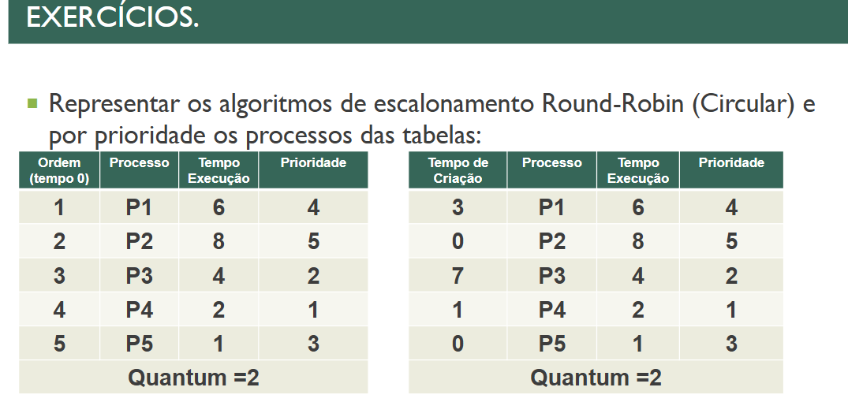
8 | ROUND ROBIN TABELA 2

 |  |  |  |  |  |  |  |  |  |  |  |  |  |  |  |  |  |  |  |  |  |  |  |  |  |  | Turnaround: |  | P1 = 18, P2 = 17, P3 = 19, P4 = 5 e P5 = 3
P1
P2 |  |  |  |  |  |  |  |  |  |  |  |  |  |  |  |  |  |  |  |  |  |  |  |  |  |  | TMR: | (21 + 17 + 19+5+3)/5 = 11,2
P3
P4 |  |  |  |  |  |  |  |  |  |  |  |  |  |  |  |  |  |  |  |  |  |  |  |  |  |  | TEP: | P1 = 12, P2 = 9, P3 = 8, P4 = 2 E P5 = 2
P5
 | 0 | 1 | 2 | 3 | 4 | 5 | 6 | 7 | 8 | 9 | 10 | 11 | 12 | 13 | 14 | 15 | 16 | 17 | 18 | 19 | 20 | 21 | 22 | 23 | 24 | 25 | TME: | (12+9+8+2+2)/5 = 6,6
 |  |  |  |  |  |  |  |  | <-- FILA
9 | CIRCULAR POR PRIORIDADE TABELA 1

 |  |  |  |  |  |  |  |  |  |  |  |  |  |  |  |  |  |  |  |  |  |  |  |  |  |  | Turnaround: |  | P1 = 12, P2 = 14, P3 = 21, P4 = 19 e P5 = 15
P1
P2 |  |  |  |  |  |  |  |  |  |  |  |  |  |  |  |  |  |  |  |  |  |  |  |  |  |  | TMR: | 16.2
P3
P4 |  |  |  |  |  |  |  |  |  |  |  |  |  |  |  |  |  |  |  |  |  |  |  |  |  |  | TEP: | P1 = 6, P2 = 6, P3 = 17, P4 = 17 E P5 = 14
P5
 | 0 | 1 | 2 | 3 | 4 | 5 | 6 | 7 | 8 | 9 | 10 | 11 | 12 | 13 | 14 | 15 | 16 | 17 | 18 | 19 | 20 | 21 | 22 | 23 | 24 | 25 | TME: | 12

10 | CIRCULAR POR PRIORIDADE TABELA 2

 |  |  |  |  |  |  |  |  |  |  |  |  |  |  |  |  |  |  |  |  |  |  |  |  |  |  | Turnaround: |  | P1 = 12, P2 = 13, P3 = 14, P4 = 18 E P5 = 3
P1
P2 |  |  |  |  |  |  |  |  |  |  |  |  |  |  |  |  |  |  |  |  |  |  |  |  |  |  | TMR: | (12+13+14+18+3)/5 = 12
P3
P4 |  |  |  |  |  |  |  |  |  |  |  |  |  |  |  |  |  |  |  |  |  |  |  |  |  |  | TEP: | P1 = 6, P2 = 5, P3 = 10, P4 = 16 E P5 = 2
P5
 | 0 | 1 | 2 | 3 | 4 | 5 | 6 | 7 | 8 | 9 | 10 | 11 | 12 | 13 | 14 | 15 | 16 | 17 | 18 | 19 | 20 | 21 | 22 | 23 | 24 | 25 | TME: | (6+5+10+16+2)/5 = 7,8

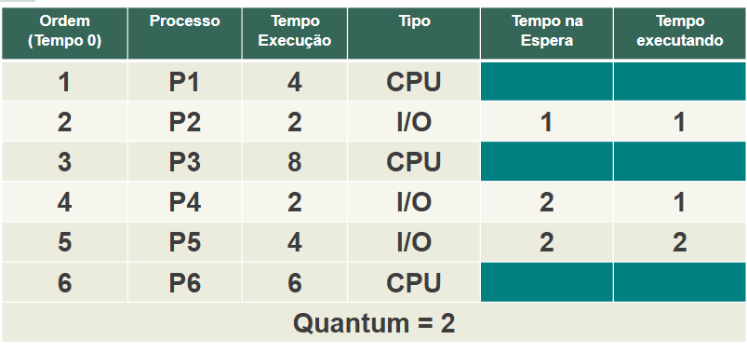
11 | CIRCULAR VIRTUAL

P1 |  |  |  |  |  |  |  |  |  |  |  |  |  |  |  |  |  |  |  |  |  |  |  |  |  |  | Turnaround: |  | P1 = 14, P2 = 6 , P3 = 26, P4 = 10, P5 = 18 E P6 = 24
P2
P3 |  |  |  |  |  |  |  |  |  |  |  |  |  |  |  |  |  |  |  |  |  |  |  |  |  |  | TMR: | 16.333333333
P4
P5 |  |  |  |  |  |  |  |  |  |  |  |  |  |  |  |  |  |  |  |  |  |  |  |  |  |  | TEP: | P1 = 10, P2 = 4, P3 = 18, P4 = 8, P5 = 14 E P6 = 18
P6
 | 0 | 1 | 2 | 3 | 4 | 5 | 6 | 7 | 8 | 9 | 10 | 11 | 12 | 13 | 14 | 15 | 16 | 17 | 18 | 19 | 20 | 21 | 22 | 23 | 24 | 25 | TME: | 12

